KKO
KAJIAN KELAYAKAN OPERASI

DAYA LAMA |  |  |  | DAYA BARU
Nama Pelanggan | : | PT KARTIKA POLASWATI MAHARDHIKA |  | Nama Pelanggan | : | PT KARTIKA POLASWATI MAHARDHIKA
Daya Lama (VA) | : | 0 |  | Daya Baru (VA) | : | 105000
Jumlah Fasa | : | 1 | * | Jumlah Fasa | : | 3
Tegangan Sekunder Pengukuran rata-rata (Fasa-Netral) (V) | : | 220 | * | Tegangan Sekunder Pengukuran rata-rata (Fasa-Netral) (V) | : | 380 | DC MGN01-67 MGN06-73
Beban Pelanggan (A) | : | 0.00 |  | Beban Pelanggan (A) | : | 159.53

SUPLAI TRAFO EKSISTING |  |  |  | SUPLAI TRAFO RENCANA
Nomor Tiang | : |  |  | Nomor Tiang | : | MGN03-314/68/4B
Penyulang | : |  |  | Penyulang | : | MGN 06
Daya | : |  | * | Daya | : | 100
Jumlah Fasa | : |  | * | Jumlah Fasa | : | 1
Beban TRAFO (Pengukuran Lapangan) |  | 50 |  | Beban TRAFO | : | 50.00
Beban Primer | : | 0.00 | * | Beban Primer | : | 8.66
Beban Sekunder | : | 0.00 | * | Beban Sekunder | : | 455.80
Beban (A) | : | 0.00 |  | Beban (A) | : | #VALUE!
Prosentase Pembebanan | : | #DIV/0! |  | Beban (A) | : | 11%
 | 11% | 100%
Prosentase Pembebanan | : | 100% |  | Beban (A) | : | 100%

DATA





DATA
Tahun | : | 2022
Discount Rate | : | 12%
Transfer price TM | : | 1,084 |  | Marginal COST maret 2022
Umur ekonomis (tahun) | : | 25.00
Selisih Susut Teknis | : | 2.25%
∑ Daya | : | 105
BP (Rp) | : | 98,385,000
RAB (Rp) | : | 135,156,108
Biaya O&M (2% invest) | : | 2,703,122.17

Nama Pelanggan | : | PT KARTIKA POLASWATI MAHARDHIKA | *
Golongan Pelanggan | : |  | *
Jenis Layanan | : |  | *
Daya Lama (kVA) | : | - | *
Daya Baru (kVA) | : | 105 | *
Tarif WBP (Rp/kWh) | : | 1,444.70 | *
Tarif LWBP (Rp/kWh) | : | 1,444.70 | *
BP (Rp/VA) TR | : | 937 | *
Jam Nyala | : | 40 | *

RAB
 |  | PT. PLN ( PERSERO )
 |  | UNIT INDUK DISTRIBUSI JAWA TENGAH & DI YOGYAKARTA |  |  |  |  |  |  |  |  |  | RAB TOTAL
 |  | UP3 DEMAK |  |  |  |  |  |  |  |  | RAB TOTAL | RAB NON MDU
 | RENCANA ANGGARAN BIAYA (RAB)

 |  |  |  | Pekerjaan | : | PT KARTIKA POLASWATI MAHARDHIKA
 |  |  |  | Lokasi | : | JL A YANI NO 89 GUBUG
 |  |  |  | Pelaksana | : | PT. PLN (PERSERO) UP3 DEMAK
 |  |  |  | Anggaran | : | SAR 2023

Note !! 1. Saat Pengisian Uraian di mohon memasukan nama material sesuai dengan nama material di harga satuan
2. Mohon di cek kembali saat pengisian volume material
3. Untuk program Sarana Penunjang Fungsi tidak perlu SLO.
 | NO | URAIAN | GOL | SAT | VOL | HARGA SATUAN | BIAYA YANG DIPERLUKAN ( Rp )
 |  |  |  |  |  |  | MDU | HARDWARE | JASA | JUMLAH

#REF! | A | PEMASANGAN TIANG |  |  |  | 0 | 0 | 0 | 0 | 0
#REF! |  |  |  |  |  | 0 | 0 | 0 | 0 | 0
#REF! | + | Tiang Beton 12M-350 daN+E | HDW | Unit | 1 | 6,074,400 | 0 | 6,074,400 | 0 | 6,074,400
#REF! | + | Penomoran Tiang | JASA | Unit | 1 | 10,067 | 0 | 0 | 10,067 | 10,067
#REF! | + | Penghalang Panjat dan Papan Peringatan | HDW | Unit | 1 | 200,000 | 0 | 200,000 | 0 | 200,000
#REF! | + | Upah Pasang Tiang Beton 12M-350 daN+E | JASA | Unit | 1 | 852,274 | 0 | 0 | 852,274 | 852,274
#REF! |  |  |  |  |  | 0 | 0 | 0 | 0 | 0
#REF! |  |  |  |  |  | 0 | 0 | 0 | 0 | 0
#REF! | B | PEKERJAAN PEMASANGAN KONSTRUKSI |  |  |  | 0 | 0 | 0 | 0 | 0
#REF! |  |  |  |  |  | 0 | 0 | 0 | 0 | 0
#REF! | + | CC7 |  | Unit | 2 | 0 | 0 | 0 | 0 | 0
#REF! | 1 | Isolator Tarik ( Strainkap Porcelain ) 20 KV | MDU-KD | Set | 6 | 430,000 | 2,580,000 | 0 | 0 | 2,580,000
#REF! | 2 | Armour Tape ¼" wide | HDW | Mtr | 2 | 7,789 | 0 | 15,578 | 0 | 15,578
#REF! | 3 | Bolt Double Arming ⅝" x 14" | HDW | Bh | 4 | 40,000 | 0 | 160,000 | 0 | 160,000
#REF! | 4 | Bolt Machine ⅝" x 10" | HDW | Bh | 2 | 26,500 | 0 | 53,000 | 0 | 53,000
#REF! | 5 | Bolt Machine / Bolt cariage ½" x ¾" | HDW | Bh | 8 | 7,938 | 0 | 63,504 | 0 | 63,504
#REF! | 6 | Brace Steel 770 mm | HDW | Bh | 8 | 45,000 | 0 | 360,000 | 0 | 360,000
#REF! | 7 | Clevis Swinging Secondary | HDW | Bh | 2 | 15,500 | 0 | 31,000 | 0 | 31,000
#REF! | 8 | Cross Arm Steel 2.000 mm ( UNSP 10 ) galvanis | HDW | Bh | 4 | 380,500 | 0 | 1,522,000 | 0 | 1,522,000
#REF! | 9 | Lock Nut ⅝" | HDW | Bh | 8 | 11,400 | 0 | 91,200 | 0 | 91,200
#REF! | 10 | Loop Dead End Clamp / LC ( 35 s/d 240 ) mm² | HDW | Bh | 4 | 29,600 | 0 | 118,400 | 0 | 118,400
#REF! | 11 | Oval Eye Bolt ⅝" x 10" | HDW | Bh | 2 | 27,815 | 0 | 55,630 | 0 | 55,630
#REF! | 12 | Oval Eye Nut ⅝" | HDW | Bh | 6 | 23,936 | 0 | 143,616 | 0 | 143,616
#REF! | 13 | Pole Band Double Rack 7" atau 7 ½" | HDW | Bh | 2 | 63,500 | 0 | 127,000 | 0 | 127,000
#REF! | 14 | Pole Band Single Rack 7" atau 7 ½" | HDW | Bh | 2 | 57,690 | 0 | 115,380 | 0 | 115,380
#REF! | 15 | Schackle Anchor ⅝" | HDW | Bh | 6 | 16,000 | 0 | 96,000 | 0 | 96,000
#REF! | 16 | Spool Insulator ANSI 53 - 4 | HDW | Bh | 2 | 33,502 | 0 | 67,004 | 0 | 67,004
#REF! | 17 | Washer Square 2 ¼" | HDW | Bh | 22 | 2,500 | 0 | 55,000 | 0 | 55,000
#REF! | 18 | Upah Pasang Konst. JTM 3 Fasa C7 | JASA | Unit | 2 | 134,700 | 0 | 0 | 269,400 | 269,400
#REF! |  |  |  |  |  | 0 | 0 | 0 | 0 | 0
#REF! | + | CM5-5 |  | Unit | 3 | 0 | 0 | 0 | 0 | 0
#REF! | 1 | Isolator Tumpu ( Pin Post ) 20 KV Porcelein | MDU-KD | Bh | 3 | 235,900 | 707,700 | 0 | 0 | 707,700
#REF! | 2 | Washer Square 2 ¼" | HDW | Bh | 6 | 2,500 | 0 | 15,000 | 0 | 15,000
#REF! | 3 | Tie Wire # 4 / Alluminium bonding wire # 20 | HDW | Mtr | 5.4 | 8,550 | 0 | 46,170 | 0 | 46,170
#REF! | 4 | Upah Pasang Acc.Jar M5-5 | JASA | Unit | 3 | 31,200 | 0 | 0 | 93,600 | 93,600
#REF! |  |  |  |  |  | 0 | 0 | 0 | 0 | 0
#REF! | + | CM2-12 |  | Unit | 2 | 0 | 0 | 0 | 0 | 0
#REF! | 1 | Bimetalic Connector 35 - 240 mm² | HDW | Bh | 2 | 47,459 | 0 | 94,918 | 0 | 94,918
#REF! | 2 | Ground wire Cu 16 mm² | HDW | Mtr | 1.6 | 30,000 | 0 | 48,000 | 0 | 48,000
#REF! | 3 | Ground rod & Washer | HDW | Bh | 2 | 9,500 | 0 | 19,000 | 0 | 19,000
#REF! | 4 | Upah Pasang Acc.Jar M2-12 | JASA | Unit | 2 | 16,200 | 0 | 0 | 32,400 | 32,400
#REF! |  |  |  |  |  | 0 | 0 | 0 | 0 | 0
#REF! | + | SJ6 |  | Unit | 6 | 0 | 0 | 0 | 0 | 0
#REF! | 1 | Armour Tape ¼" wide | HDW | Mtr | 6 | 7,789 | 0 | 46,734 | 0 | 46,734
#REF! | 2 | Clevis Swinging Secondary | HDW | Bh | 6 | 15,500 | 0 | 93,000 | 0 | 93,000
#REF! | 3 | Loop Dead End Clamp / LC ( 35 s/d 240 ) mm² | HDW | Bh | 12 | 29,600 | 0 | 355,200 | 0 | 355,200
#REF! | 4 | Oval Eye Nut ⅝" | HDW | Bh | 6 | 23,936 | 0 | 143,616 | 0 | 143,616
#REF! | 5 | Pole Band Single Rack 7" atau 7 ½" | HDW | Bh | 6 | 57,690 | 0 | 346,140 | 0 | 346,140
#REF! | 6 | Spool Insulator ANSI 53 - 4 | HDW | Bh | 6 | 33,502 | 0 | 201,011 | 0 | 201,011
#REF! | 7 | Upah Pasang Konst. JTR J6 | JASA | Unit | 6 | 35,700 | 0 | 0 | 214,200 | 214,200
#REF! |  |  |  |  |  | 0 | 0 | 0 | 0 | 0
#REF! |  |  |  |  |  | 0 | 0 | 0 | 0 | 0
#REF! | + | AAAC 70 mm² | MDU-KD | Unit | 200 | 14,200 | 2,840,000 | 0 | 0 | 2,840,000
v |  |  |  |  |  | 0 | 0 | 0 | 0 | 0
v | C | PEKERJAAN PEMASANGAN GARDU |  |  |  | 0 | 0 | 0 | 0 | 0
#REF! | + | Trafo 3 Fasa 100 KVA 1 Tiang (G312-A) |  | Unit | 1 | 0 | 0 | 0 | 0 | 0
#REF! | 1 | Trafo 3 phasa 100 kVA YNyn0 | MDU-KD | Bh | 1 | 56,838,600 | 56,838,600 | 0 | 0 | 56,838,600
#REF! | 2 | Jumper Wire : |  |  |  | 0 | 0 | 0 | 0 | 0
#REF! |  | AAAC 70 mm² | MDU-KD | Mtr | 9 | 14,200 | 127,800 | 0 | 0 | 127,800
 |  | NFA2X-T 3 x 70 + N 50 mm² |  |  | 3 | 0 | 0 | 0 | 0 | 0
 | 3 | Lightning Arester (Polymer) 21 KV, 10 KA | MDU-KD | Bh | 3 | 725,900 | 2,177,700 | 0 | 0 | 2,177,700
#REF! | 4 | FCO Polymer | MDU-KD | Bh | 3 | 848,250 | 2,544,750 | 0 | 0 | 2,544,750
#REF! | 5 | Fuse Link 6 A | HDW | Bh | 3 | 18,000 | 0 | 54,000 | 0 | 54,000
#REF! | 6 | Sepatu Kabel AL/CU Kepala 70 | HDW | Bh | 13 | 73,300 | 0 | 952,900 | 0 | 952,900
#REF! | 7 | Bolt Machine / Bolt cariage ½" x ¾" | HDW | Bh | 22 | 7,938 | 0 | 174,636 | 0 | 174,636
 | 8 | Bracket band segment,vertikal plat ( Hot dip galvanis ) | HDW | Bh | 1 | 404,600 | 0 | 404,600 | 0 | 404,600
 | 9 | Compresion Conector H type 70 mm² / 70 mm² | HDW | Bh | 3 | 15,900 | 0 | 47,700 | 0 | 47,700
#REF! | 10 | Cross Arm Steel 1.500 mm ( UNSP 10 ) galvanis | HDW | Bh | 5 | 283,100 | 0 | 1,415,500 | 0 | 1,415,500
#REF! | 11 | Cross Arm Steel 2.000 mm ( UNSP 10 ) galvanis | HDW | Bh | 4 | 380,500 | 0 | 1,522,000 | 0 | 1,522,000
#REF! | 12 | Hot Line Clamp ( 150mm² s/d 240 mm² ) | HDW | Bh | 3 | 173,400 | 0 | 520,200 | 0 | 520,200
#REF! | 13 | Pole Band Single Rack 7" atau 7 ½" | HDW | Bh | 1 | 57,690 | 0 | 57,690 | 0 | 57,690
 | 14 | Pole Band Double Rack 8" atau 8 ½" | HDW | Bh | 2 | 67,500 | 0 | 135,000 | 0 | 135,000
 | 15 | Steel L 70 x 70 x 7 x 780 mm galvanis | HDW | Bh | 2 | 129,000 | 0 | 258,000 | 0 | 258,000
#REF! | 16 | Steel L 70 x 70 x 7 x 1.682 mm galvanis | HDW | Bh | 4 | 250,000 | 0 | 1,000,000 | 0 | 1,000,000
#REF! | 17 | Upah Pasang Trafo 3 Fasa 100 KVA 1 Tiang | JASA | Unit | 1 | 2,953,300 | 0 | 0 | 2,953,300 | 2,953,300
#REF! |  |  |  |  |  | 0 | 0 | 0 | 0 | 0
#REF! | + | CM2-11M |  | Unit | 3 | 0 | 0 | 0 | 0 | 0
 | 1 | Ground rod ⅝" x 8" Copper Weld | HDW | Bh | 3 | 185,200 | 0 | 555,600 | 0 | 555,600
#REF! | 2 | Bimetalic Connector 35 - 240 mm² | HDW | Bh | 3 | 47,459 | 0 | 142,377 | 0 | 142,377
#REF! | 3 | Clamp Ground Rod ⅝" | HDW | Bh | 3 | 4,880 | 0 | 14,640 | 0 | 14,640
#REF! | 4 | Ground wire Cu 16 mm² | HDW | Mtr | 30 | 30,000 | 0 | 900,000 | 0 | 900,000
 | 5 | Ground rod & Washer | HDW | Bh | 6 | 9,500 | 0 | 57,000 | 0 | 57,000
 | 6 | Pipa PVC ½" | HDW | Bh | 16.5 | 6,100 | 0 | 100,650 | 0 | 100,650
#REF! | 7 | Stopping Buckle / Yokes | HDW | Bh | 18 | 2,300 | 0 | 41,400 | 0 | 41,400
#REF! | 8 | Stainless Steel Strap 20 X 0.7 mm | HDW | Mtr | 14.4 | 23,310 | 0 | 335,664 | 0 | 335,664
#REF! | 9 | Upah Pasang Acc.Jar M2-11M | JASA | Unit | 3 | 65,400 | 0 | 0 | 196,200 | 196,200
#REF! |  |  |  |  |  | 0 | 0 | 0 | 0 | 0
 | 1 | Cover Bushing Arrester | HDW | Bh | 3 | 85,000 | 0 | 255,000 | 0 | 255,000
#REF! | 2 | Upah Pemasangan Cover Bushing Arrester | JASA | Set | 3 | 15,000 | 0 | 0 | 45,000 | 45,000
 | 3 | Cover Bushing Trafo | HDW | Bh | 3 | 105,000 | 0 | 315,000 | 0 | 315,000
#REF! | 4 | Upah Pemasangan Cover Bushing Trafo | JASA | Unit | 3 | 15,000 | 0 | 0 | 45,000 | 45,000
 | 5 | Cover Bushing FCO | HDW | Bh | 3 | 180,000 | 0 | 540,000 | 0 | 540,000
#REF! | 6 | Upah Pemasangan Cover Bushing FCO | JASA | Set | 3 | 15,000 | 0 | 0 | 45,000 | 45,000
 |  |  |  |  |  | 0 | 0 | 0 | 0 | 0
v | D | PEKERJAAN PEMASANGAN APP |  |  |  | 0 | 0 | 0 | 0 | 0
#REF! | + | Daya 105.000 VA |  | Unit | 1 | 0 | 0 | 0 | 0 | 0
v | 1 | KWH Elektronik; 3P; 4W; 220/380V; 5(10); kls 1 (Pengukuran Tidak Langsung) | MDU-KD | Bh | 1 | 1,504,200 | 1,504,200 | 0 | 0 | 1,504,200
#REF! | 2 | Smart Box Tidak Langsung Daya 105 kVA MCCB 160 A | MDU-KD | Unit | 1 | 14,217,900 | 14,217,900 | 0 | 0 | 14,217,900
 | 3 | Modem 3G/4G | HDW | Unit | 1 | 1,113,900 | 0 | 1,113,900 | 0 | 1,113,900
#REF! | 4 | NFA2X-T 3x70+1x70 | MDU-KD | Mtr | 160 | 54,500 | 8,720,000 | 0 | 0 | 8,720,000
#REF! | 5 | Upah Pasang SR + APP 3 Fasa | JASA | Unit | 1 | 106,400 | 0 | 0 | 106,400 | 106,400
v |  |  |  |  |  | 0 | 0 | 0 | 0 | 0
#REF! | E | PEMBONGKARAN |  |  |  | 0 | 0 | 0 | 0 | 0
#REF! |  |  |  |  |  | 0 | 0 | 0 | 0 | 0
 |  |  |  |  |  | 0 | 0 | 0 | 0 | 0
 |  | SLO |  |  |  | 0 | 0 | 0 | 0 | 0
 | 1 | Sertifikasi Laik Operasi | JASA | Lot | 1 | 2.5% |  |  | 2,969,811 | 2,969,811
 |  |  |  |  |  |  | 0 | 0 | 0 | 0

 |  | Jumlah MDU - Hardware - Jasa |  |  |  | : | 92,258,650 | 21,670,958 | 7,832,652 | 121,762,260
 |  | PPN 11% |  |  |  | : | 10,148,452 | 2,383,805 | 861,592 | 13,393,849
 |  | Jumlah Total |  |  |  | : | 102,407,102 | 24,054,763 | 8,694,244 | 135,156,108
 | Terbilang : Seratus Tiga Puluh Lima Juta Seratus Lima Puluh Enam Ribu Seratus Delapan Rupiah

 | Harga yang dipakai adalah RAB HSS 2023

 |  |  |  |  |  |  |  | Tegowanu, Desember 2023
 |  |  |  |  |  |  |  | MANAGER ULP TEGOWANU

 |  |  |  |  |  |  |  | HARY PRATAMA

GAMBAR
 |  |  |  |  | PT. PLN (PERSERO) UP3 DEMAK
Hasil Ukur Trafo 3 Ph 50 KVA ( X ) di -
 | X0 | X1 | X2 | X3 | Keterangan Gambar :
SIANG |  |  |  |  | No | Nama Material |  |  | Baru |  | Eksisting
s
s
MALAM |  |  |  |  | 1 | Tiang Beton
 |  |  |  |  | 2 | Tiang Besi
 |  |  |  |  | 3 | JTM 3 Fasa
 |  |  |  |  | 4 | JTM 1 Fasa
 |  |  |  |  | 5 | JTR 1 Fasa Only / UB
 |  |  |  |  | 6 | JTR 3 Fasa Only / UB
 |  |  |  |  | 7 | Trafo 1 Fasa
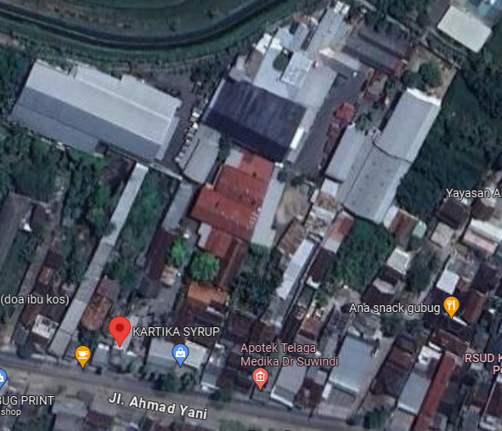
 |  |  |  |  | 8 | Trafo 3 Fasa
 |  |  |  |  | 9 | Fuse Cut Out
 |  |  |  |  | 10 | ABSW
MGN03-319/1
1 C12-350 E
1 CC7
1 CM2-12
1 CG312-A 100 KVA
3 CM2-11M
6 SJ6
1 APP TR 3PH 105KVA
160 LVTC 3X70+NX50 mm2
16 SEPATU KABEL CU-CU 70 mm2
1 PAPAN PERINGATAN
1 PENGHALANG PANJAT
 |  |  |  |  | 11 | Vang Net
 |  |  |  |  | 12 | Schoor
 |  |  |  |  | 13

 |  |  |  |  | Bongkar Pasang Konstruksi :
 |  |  |  |  | Pasang |  |  |  | Bongkar
 |  |  |  |  | C12-350 E |  | BTG | 1
 |  |  |  |  | CC7 |  | U | 2
A
 |  |  |  |  | CG312A-100KVA |  | U | 1
 |  |  |  |  | CM2-11M |  | U | 3
37 m
37 m
 |  |  |  |  | CM5-5 |  | U | 3
 |  |  |  |  | CM2-12 |  | U | 2
 |  |  |  |  | APP TR 3PH 105KVA |  | U | 1
 |  |  |  |  | LVTC 3X70+NX50 mm2 |  | M | 160
 |  |  |  |  | SEPATU KABEL CU-CU 70 mm2 |  | BH | 16
 |  |  |  |  | A3C 1X70 mm2 |  | M | 200
APP
APP
 |  |  |  |  | SJ6 |  | U | 6

s
s

s
s

 |  |  |  |  | Keterangan Tambahan : -7.051546508820101,110.66012312688335
MGN03-319A
1 CC7
3 CM5-5
1 CM2-12
200 A3C 1X70 mm2
 |  |  |  |  | Golongan
 |  |  |  |  | No. Gambar |  | 1 |  |  | Lembar |  | dr
 |  |  |  |  | Gambar dari |  |  |  |  | Skala
 |  |  |  |  | Perihal:
 |  |  |  |  | PT KARTIKA POLASWATI MAHARDHIKA
 |  |  |  |  | JL A YANI NO 89 GUBUG

 |  |  |  |  | Digambar |  | Staf Teknik
 |  |  |  |  | Diperiksa |  | TL. Teknik
 |  |  |  |  | Diketahui |  | Manager ULP
 |  |  |  |  | Disetujui |  | Man. Perencanaan

SLD
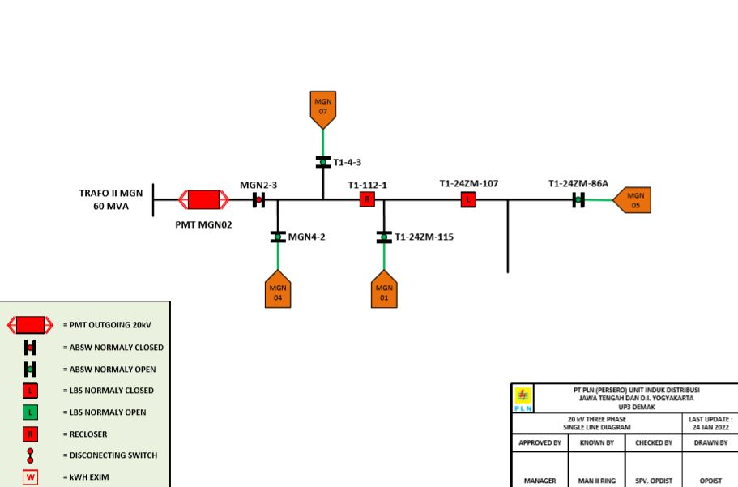
SINGLE LINE DIAGRAM LOKASI PELANGGAN

